Disponibilità
VERSACE COLLECTION underwear
Photo | Code | Description | S | M | L | XL | XXL | Total qty | Your Selection | Your Tot cost | Retail price
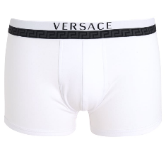 | AU10017SAC00058A001 | Boxer Uomo - Monopack - Bianco | 115 | 290 | 473 | 705 | 375 | 1958 |  | 0 | 69.00 €
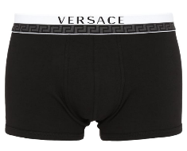 | AU10017SAC00058A008 | Boxer Uomo - Monopack - Nero | 867 | 1952 | 2146 | 2517 | 1342 | 8824 |  | 0 | 69.00 €
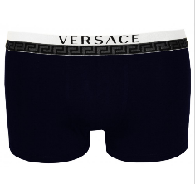 | AU10017SAC00058A145 | Boxer Uomo - Monopack - Blu Navy | 70 | 304 | 421 | 667 | 398 | 1860 |  | 0 | 69.00 €
 |  |  |  |  |  |  |  | 12642 |  | 0

